Sheet1
MAN'S HEIGHT | WOMAN'S HEIGHT
186 | 178
177 | 170
181 | 161
183 | 165
186 | 177
182 | 161
171 | 171
187 | 178
174 | 160
177 | 173
177 | 163
187 | 174
174 | 164
181 | 166
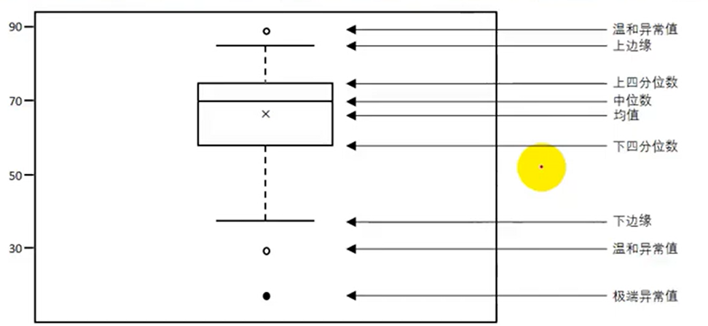
187 | 177
175 | 170
173 | 162
174 | 160
186 | 174
172 | 168
188 | 173
176 | 175
182 | 160
181 | 170
171 | 171
180 | 172
173 | 171
186 | 170
188 | 164
185 | 165
178 | 172
186 | 162
183 | 169
183 | 171
184 | 169
182 | 163
185 | 160
187 | 162
175 | 170
170 | 167
181 | 168
182 | 172
176 | 176
185 | 164
185 | 172
177 | 168
182 | 162
179 | 179
180 | 175
190 | 166
175 | 170
172 | 174
172 | 175
174 | 173
181 | 174
170 | 166
179 | 164
184 | 164
172 | 174
181 | 164
173 | 178
187 | 172
186 | 164
181 | 161
171 | 168
188 | 178
176 | 164
177 | 175
190 | 175
183 | 160
181 | 175
190 | 178
174 | 161
172 | 172
184 | 179
174 | 166
180 | 165
185 | 162
177 | 169
187 | 180
174 | 162
175 | 161
187 | 179
186 | 160
187 | 169
180 | 171
190 | 160
175 | 179
190 | 170
176 | 164
171 | 165
171 | 178
184 | 169
178 | 170
185 | 163
189 | 164
177 | 180
187 | 161
177 | 175
189 | 165
180 | 168
181 | 179
182 | 180
176 | 176
172 | 177
178 | 168
176 | 163
182 | 164
170 | 180
170 | 175
179 | 163
180 | 175
172 | 179
185 | 167
171 | 175
174 | 178
174 | 160
180 | 178
189 | 161
178 | 161
189 | 176
188 | 169
176 | 173
171 | 179
170 | 162
175 | 160
178 | 174
172 | 164
182 | 168
190 | 167
182 | 167
181 | 168
179 | 162
178 | 169
186 | 180
187 | 165
172 | 166
190 | 169
186 | 166
184 | 160
171 | 178
184 | 172
184 | 174
171 | 171
184 | 163
182 | 167
170 | 160
172 | 172
186 | 176
171 | 174
172 | 168
179 | 177
180 | 178
178 | 176
188 | 162
174 | 171
178 | 161
186 | 179
176 | 172
176 | 173
180 | 166
178 | 160
171 | 177
186 | 177
182 | 165
174 | 177
171 | 171
189 | 176
186 | 162
178 | 174
183 | 167
176 | 162
186 | 172
186 | 161
178 | 170
171 | 160
188 | 176
180 | 167
179 | 170
189 | 168
174 | 172
189 | 171
188 | 166
185 | 166
179 | 163
187 | 169
176 | 163
184 | 168
179 | 166
170 | 163
173 | 160
174 | 174
180 | 175
178 | 164
183 | 174
171 | 161
172 | 174
188 | 173
184 | 177
177 | 172
184 | 175
177 | 167
189 | 160
188 | 166
182 | 166
175 | 177
174 | 171
170 | 167
186 | 171
185 | 168
184 | 172
187 | 173
184 | 171
182 | 176
188 | 174
189 | 162
179 | 163
175 | 166
185 | 162
174 | 165
177 | 165
176 | 175
170 | 178
170 | 172
174 | 179
188 | 161
183 | 165
177 | 165
188 | 161
180 | 170
173 | 169
173 | 169
183 | 164
185 | 180
170 | 180
170 | 180
174 | 172
188 | 180
179 | 171
171 | 163
179 | 169
179 | 179
175 | 176
184 | 169
185 | 176
183 | 175
170 | 180
174 | 167
178 | 174
186 | 179
179 | 180
189 | 165
184 | 174
175 | 173
186 | 165
189 | 169
180 | 168
182 | 177
188 | 176
188 | 172
172 | 166
180 | 172
179 | 171
177 | 180
174 | 163
176 | 171
173 | 168
186 | 178
179 | 160
175 | 171
180 | 175
177 | 161
186 | 177
189 | 162
185 | 165
188 | 167
177 | 177
178 | 180
170 | 179
187 | 179
187 | 180
182 | 167
188 | 170
188 | 176
180 | 175
182 | 176
178 | 161
184 | 162
190 | 172
185 | 164
190 | 164
174 | 162
173 | 168
177 | 171
172 | 160
186 | 175
187 | 167
180 | 170
189 | 173
183 | 175
174 | 163
177 | 180
187 | 162
184 | 178
189 | 173
184 | 173
175 | 163
184 | 169
177 | 178
184 | 172
189 | 173
180 | 176
190 | 170
175 | 166
178 | 173
174 | 162
188 | 166
176 | 163
174 | 170
190 | 176
177 | 174
176 | 162
189 | 163
181 | 166
170 | 171
174 | 168
174 | 161
181 | 178
188 | 167
172 | 180
189 | 174
184 | 161
184 | 165
185 | 172
187 | 165
174 | 167
174 | 163
185 | 174
176 | 162
183 | 178
175 | 161
174 | 171
179 | 164
171 | 175
178 | 173
188 | 177
174 | 168
178 | 166
184 | 179
174 | 161
185 | 168
183 | 160
187 | 162
182 | 161
170 | 179
189 | 170
174 | 178
187 | 163
184 | 179
179 | 162
189 | 169
181 | 177
182 | 164
171 | 164
178 | 161
179 | 177
187 | 179
173 | 175
187 | 180
185 | 175
173 | 172
190 | 177
181 | 173
176 | 160
171 | 173
178 | 168
188 | 169
183 | 170
173 | 176
170 | 165
170 | 163
171 | 174
174 | 173
180 | 168
180 | 175
185 | 171
177 | 178
181 | 173
188 | 177
189 | 164
181 | 174
170 | 163
175 | 169
182 | 173
175 | 172
186 | 162
177 | 179
176 | 164
184 | 165
183 | 172
176 | 170
175 | 178
177 | 176
171 | 179
187 | 168
190 | 175
172 | 161
180 | 174
187 | 176
176 | 172
180 | 163
184 | 173
175 | 167
175 | 179
180 | 170
183 | 166
172 | 164
188 | 174
186 | 172
174 | 160
181 | 161
188 | 167
187 | 163
189 | 170
182 | 179
180 | 168
174 | 170
186 | 160
183 | 167
173 | 179
188 | 174
170 | 166
185 | 164
171 | 168
190 | 160
171 | 168
178 | 178
189 | 179
189 | 176
184 | 173
176 | 168
171 | 167
174 | 160
185 | 162
180 | 175
181 | 175
189 | 170
182 | 175
185 | 172
184 | 179
190 | 180
188 | 162
171 | 163
180 | 160
176 | 167
176 | 178
176 | 169
177 | 168
186 | 167
171 | 160
170 | 167
171 | 177
177 | 177
189 | 176
176 | 174
187 | 176
174 | 163
171 | 176
184 | 178
172 | 161
172 | 174
180 | 164
187 | 175
188 | 163
190 | 178
183 | 161
171 | 163
170 | 174
190 | 174
179 | 177
173 | 175
185 | 163
177 | 175
171 | 160
175 | 179
179 | 176
173 | 169
182 | 172
187 | 168
185 | 169
185 | 164
188 | 161
173 | 167
177 | 168
172 | 175
189 | 164
175 | 160
185 | 168
180 | 180
187 | 167

